Dashboard
Carriageway Surfacing Carbon Saving Project - April 2021

On 17 December 2020, the County Council declared a Climate Chanage emergency and adopted an ambitious carbon reduction and nature recovery resolution that seeks to 'transition the Lancashire economy away from Carbon by 2030, and address the biodiversity crisis'. Emerging duties for the county council in the Environment Bill complement the resolution. To help implement the new responsibilities, a cross-directorate programme of environmental improvements and carbon reduction activity across Lancashire is proposed.
Establish 'where are we now' in terms of CO₂e generation.
To develop plans and processes that will enable us to compare whole life carbon generation when selecting suitable materials/processes. (As required for Level 2 of DfT Self-Assessment)
Progress to the point where our plans and processes are fully embedded to ensure least whole life carbon generation when selecting suitable materials/processes (As required for Level 3 of DfT Self-Assessment)
 | Lancashire's Climate Change Agenda | Commitments

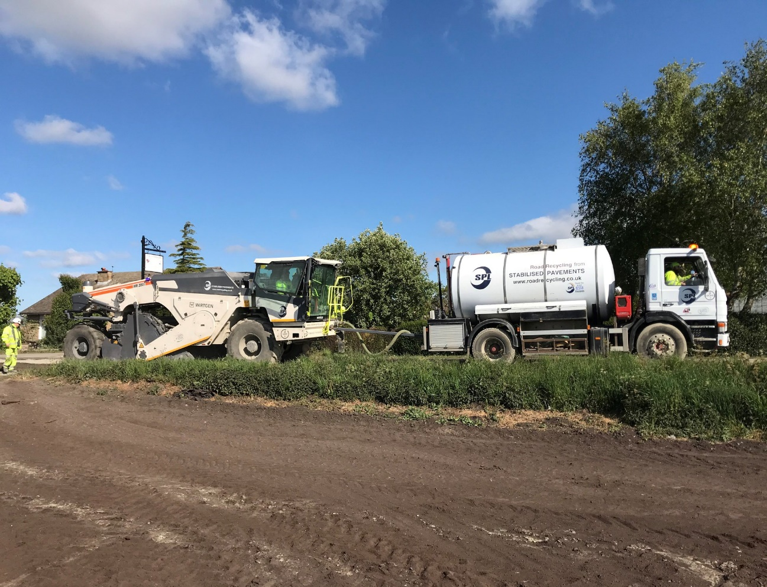
In-situ recycling, Moss Lane, Inskip.
In-situ recyling pulverises the existing road pavment, mixes them with cement, pfa and water to produce a stiff, impermable new material. The process requires no heat, typically involves the use of all site won materials, eliminating numerous vehicle movements. It also provides an effective means of dealing with asphalt containing coal tar. The only new material required is a surface dressing or surface course that laid on top.

 | Project Objectives
Quantify the CO₂e usage of the carriageway surfacing programme
Identify opportunities to reduce Co2e usage
Implement CO₂e reduction measures
Measure CO₂e savings
Develop and implement a CO₂e lifecycle planing model

 | Introduction

In 2020-21 financial year the County Council spent approximately £8m on carriageway surfacing projects. Typical these projects involve the replacement of between 40mm and 100mm of the existing road surface with new hot mix asphalt. The process is highly carbon intensive due to:
Extraction and processing of the constituent raw materials (quarrying of rock, extraction and distilation of bitumen from crude oil)
Mixtures mixed at high temperatures resulting in high fuel use at plant
Existing and new materials need to be hauled from and to the site, with processing yards and batching plants typical in fixed locations
Powerful plant and machinery required to remove and lay the materials resulting in high fuel use
Measures have already been introduced to reduce CO₂e, This Dashboard aims to set out in one place the estimates of Carbon generated fom the Carriageway surfacing Capital Programme, including these new measures, identify the year on year % Carbon savings, describe the approaches to minimising Co2e and describe future opportunities.

 |  | Carriageway Resurfacing 20/21 Statistics
Total CO₂e (tonnes) projected if using traditional materials - 4,334
Total CO₂e (tonnes) actually used as result of using alternative materials - 3,004
Total CO₂e (tonnes) saved - 1,330
% reduction in CO₂e from using alternative materials - 31%

The CO₂e saving of 1,330 tonnes is equivalent to:
The CO₂e emissions resulting from the fuel usage of 415 UK homes for a whole year or
The CO₂e emissions of the entire LCC winter service fleet for 4 years

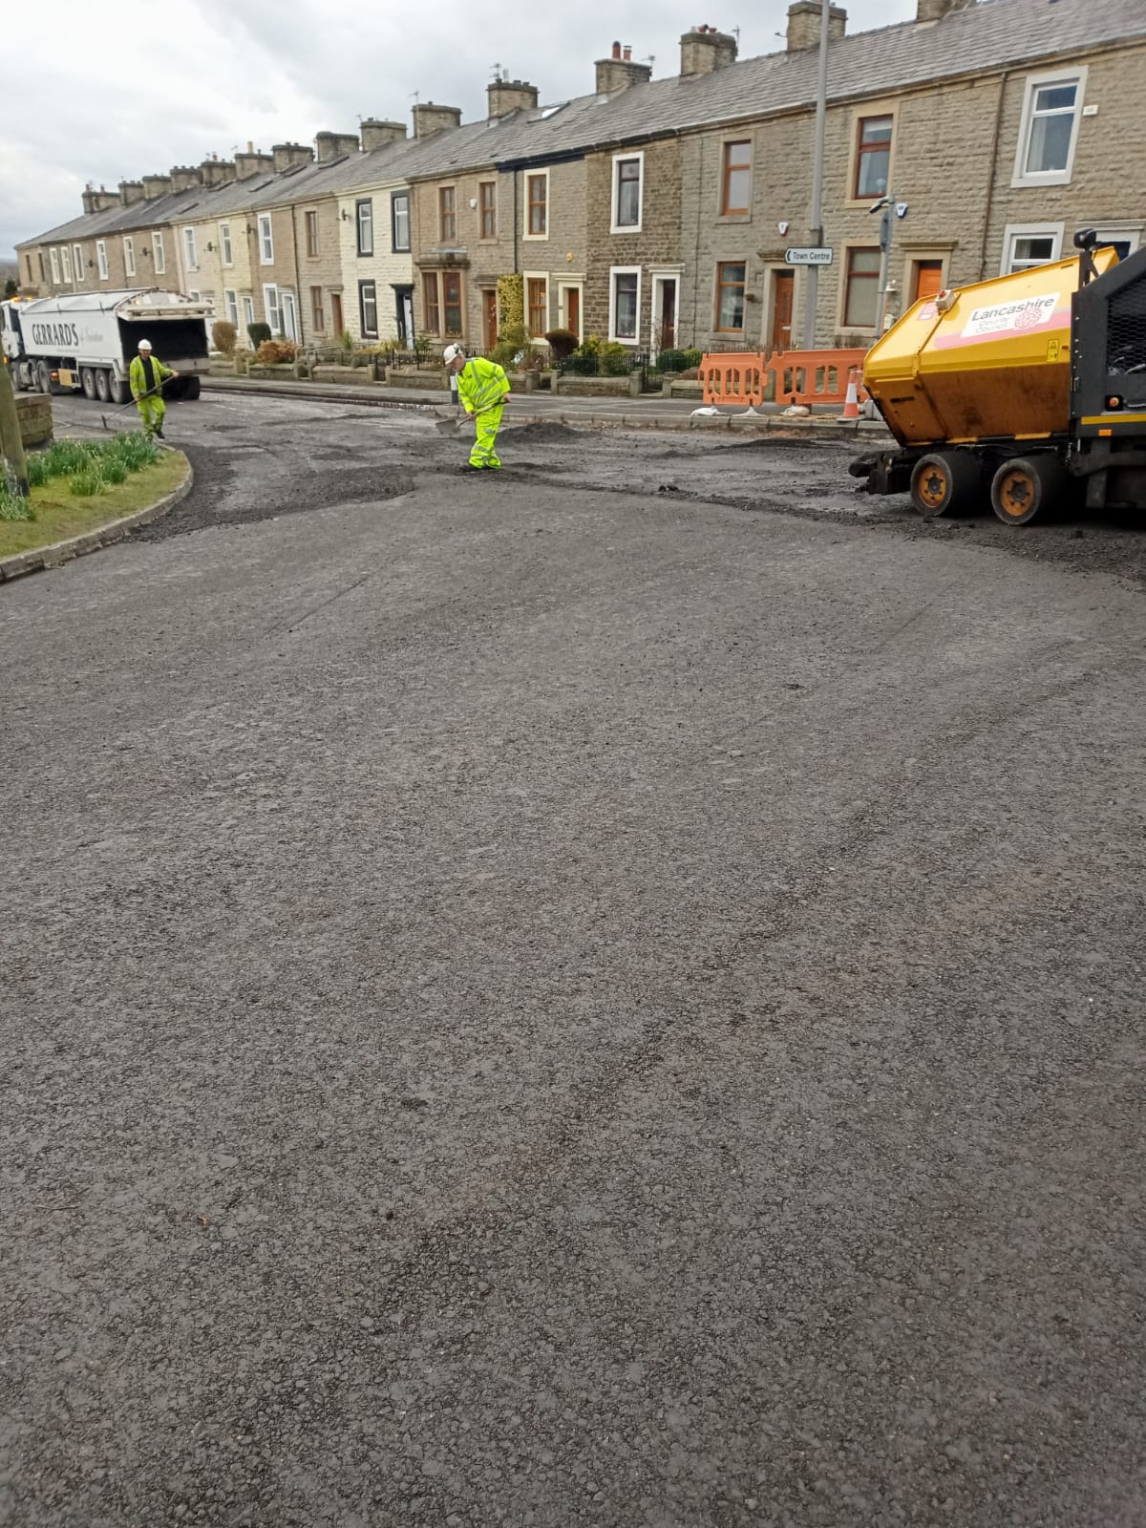
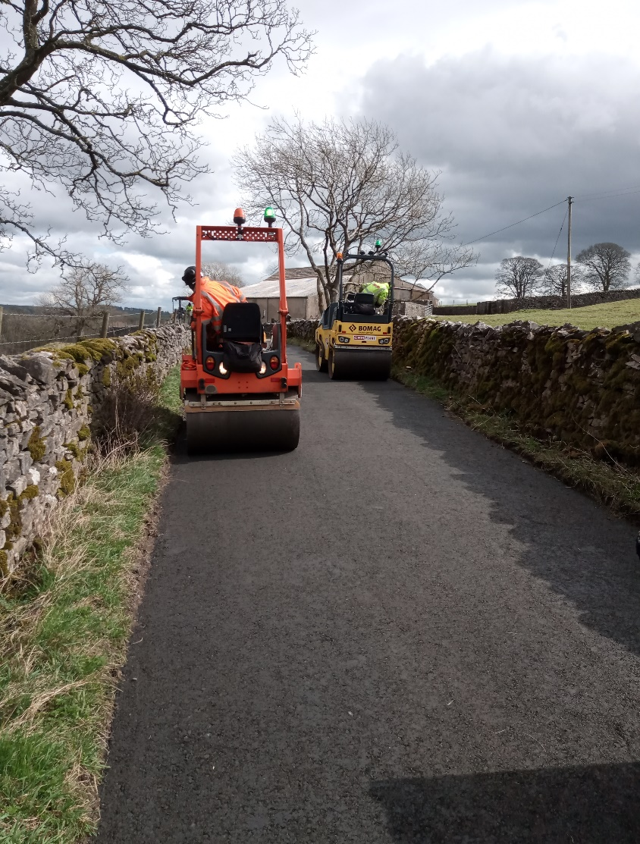
 |  | Opportunities

Consider alternative approaches - low carbon techniques such as infrared recycling, volumetric on site mixing, hand applied micro surfacing
Increase the % of reclaimed asphalt planings in our mixtures - reduces CO₂e from quarrying, processing and vehicle movements.
Asphalt binder modification - use modifiers or other waste streams to reduce virgin bitumen use and also potential performance improvements to increase service life
Subsitute cement in ex-situ or in-situ recycling schemes for other pozzalans that come from more sustainable sources, including waste streams such as GGBS
Refine programming and procurement of ex-situ foamix to reduce haulage distances
Incorporate CO₂e within procurement and purchasing requirements and tender scoring
De-carbonise fleet, plant and machinery (switching to materials or methods that better faciliate this).
Expand to footways, road marking, concrete backing & bedding (cemfree) materials.

Warmix Asphalt
Through the addition of additives to the asphalt mix it enables the heating temperature of the mixture to be reduced by 40°C. This means less fuel is required in production of the asphalt which reduces the CO₂e consumptiont. . Reasearch has indicated that the lower mixer temperatures reduce the aging process of the bitumen that occures when heat is applied, this should result in the visco-elastic properties of the asphalt being maitained for a longer duration and therefore increased service life, reducing whole life CO2_{e}.
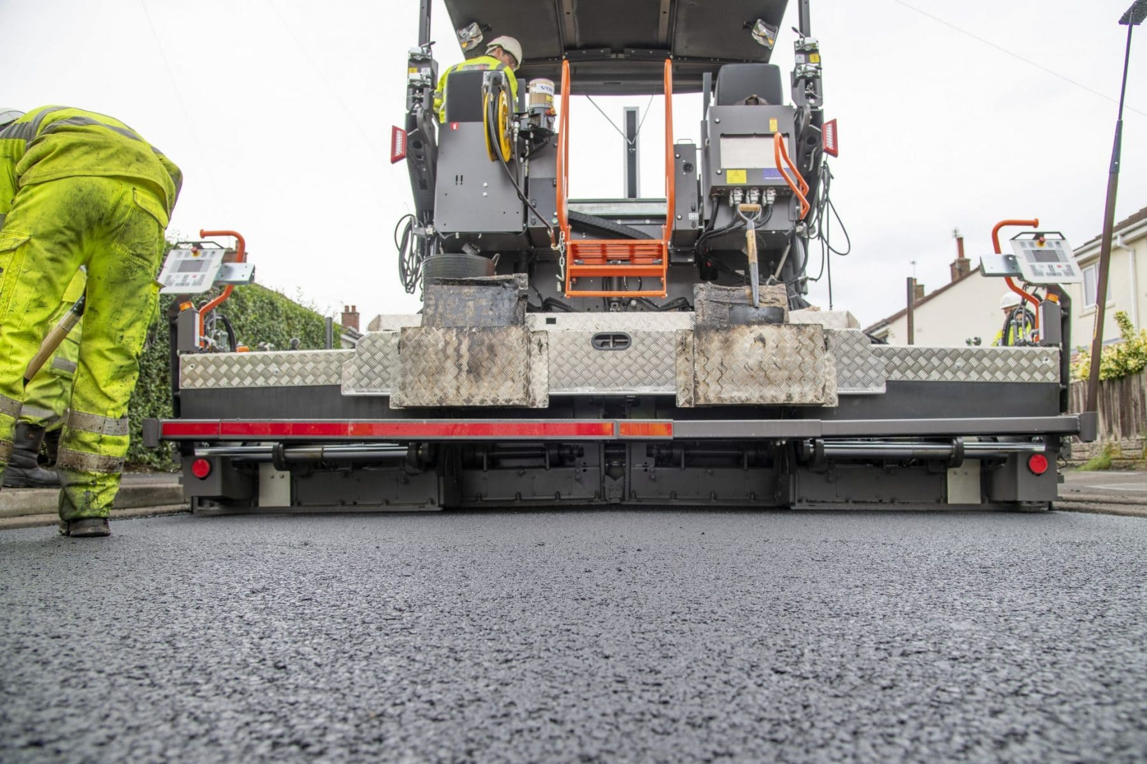

Foamix Binder Course being laid; B6525 Church Street, Great Harwood (L) and Back Lane, Slaiburn (R).
The foamix process is a cold mix process that involves removal of the existing road pavement. It is then transported to a specialist plant where it is crushed and graded, from there it is loaded into a batching plant where foamed bitumen, cement and other fillers are added. This produces a material with a high level of quality control that behaves as a traditional hot mix asphalt. It is a cold process that can include upto 95% recycled content, including asphalt containing coal tar.

 | Challenges

Developing an effective and transparent mechanism to integrate CO₂e reduction into procurement
Embedding a mentality shift in design and operations to ensure CO₂e is at the forefront of thought
In-situ recycling and foamix processes are highly weather dependent
Warmix asphalt is unsuitable for handlay patching or large patching jobs where material may sit for extended periods of times.
Warmix chipped HRA is not viable, but HRA has proved to be the most durable asphalt material if laid correctly. Wholelife CO₂e assessment requried.
Warmix reported to be more difficult to compact around ironwork
Long term performance of some new & innovative products may not be assured
 |  | Planned developments Q1 2021
Ground tyre rubber modified stone mastic asphalt trial schedule for end April 2021 at Mercer Crescent, Rossendale. The material used should recycle 194 waste tyres and provide a further 8% CO₂e reduction when compared to traditional Warmix SMA.
CBGM for footways and other paved areas. Meeting scheduled week commencing 19th April with Roadpave to see material being used in Blackpool. Meeting to also explore feasibility of using CEMFREE (cement free pozzolan) in the production of the CBGM to further reduce CO₂e.
Trials of JPCS Rejuvo hand applied microsurfacing product to be progressed. Possibility for use in areas of surface course 'plating off' or surface dressing pre-patching. It minimises removal of material from site and eliminates tar bound removal issues and is a cold lay material.

